EDA Q1-Q4
A
Top 3 Location with Most Properties in Affordable Category

Location | Avg. Price | Avg. Rooms | Avg. Bathrooms | Avg. Car Parks | Avg. Size | Most Property Type | Most Furnishing
Mont Kiara | 938,622 | 3 | 2 | 2 | 1,235 | Condominium | Fully Furnished
Bukit Jalil | 927,590 | 4 | 3 | 2 | 1,462 | Condominium | Partly Furnished
KLCC | 998,718 | 2 | 2 | 2 | 874 | Serviced Residences | Fully Furnished

Mont Kiara has the most properties available the Affordable Properties, while KLCC has the least property available.
KLCC has the highest average price among the other property in the Affordable Properties, while Bukit Jalil has the lowest average price
Rooms in this category has diverse variation
Most of the properties has 2 Bathrooms and 2 Car Parks
Most of the Property Type in this category is Condominium, except in KLCC
Most of the properties are Fully Furnished in this category.

Top 3 Location with Most Properties in Luxury Category

Location | Avg. Price | Avg. Rooms | Avg. Bathrooms | Avg. Car Parks | Avg. Size | Most Property Type | Most Furnishing
Mont Kiara | 2,881,037 | 5 | 5 | 2 | 3,306 | Condominium | Partly Furnished
KLCC | 2,984,591 | 3 | 4 | 2 | 2,305 | Serviced Residence | Partly Furnished
Desa Park City | 2,865,963 | 5 | 5 | 2 | 2,716 | 3-sty Terrace/Link House | Partly Furnished

Mont Kiara has the most properties available the Luxury Properties, while Desa Park City has the least property available.
KLCC has the highest average price among the other property in the Luxury Properties, while Mont Kiara has the lowest price.
Most of the properties in this category has 5 Rooms, 5 Bathrooms and 2 Car Parks, except in KLCC
This category has different property types.
Most of the properties are Party Furnished in this category.

Recommendation
If tenants desire to choose live in small house with lower price, tenants could choose the Affordable Properties.
If tenants desire to chose to live in the lower price, tenants can choose Bukit Jalil. However the property is Partly Furnished.
If tenants desire to chose to live in the higher price with fully furnished property, tenants can choose Mont Kiara.
If tenants desire to choose live in big house, tenants could choose the Luxury Properties.but it will be more expensive compare to the Affordable Properties.
Tenants can choose what Type of Property they desire or where is the Location since the types in Luxury Property has a lot of variation

Desa Park City
Price | Bathrooms | Car Parks | Size | Rooms
1,500,000 | 4 | 2 | 1,798 | 5 |  | Price | Rooms | Bathrooms | Car Parks | Size |  |  | Price | Bathrooms | Car Parks | Size
1,050,000 | 2 | 2 | 1,389 | 3 | Price | 1 |  |  |  |  |  | Price | 1
2,300,000 | 3 | 2 | 1826 | 4 | Rooms | 0.72 | 1 |  |  |  |  | Bathrooms | 0.77 | 1
1,350,000 | 2 | 2 | 1,292 | 2 | Bathrooms | 0.77 | 0.82 | 1 |  |  |  | Car Parks | 0.63 | 0.65 | 1
1,380,000 | 2 | 2 | 1,292 | 2 | Car Parks | 0.63 | 0.63 | 0.65 | 1 |  |  | Size | 0.80 | 0.71 | 0.53 | 1
1,798,000 | 3 | 2 | 2,200 | 4 | Size | 0.80 | 0.67 | 0.71 | 0.53 | 1
2,380,000 | 4 | 3 | 2,454 | 5
1,350,000 | 3 | 2 | 1,389 | 4 | Insight from Correlation
1,780,000 | 3 | 2 | 2,400 | 4 | Size have the highest/very strong correlation to Price
1,480,000 | 4 | 2 | 1,917 | 5 | Car Parks have the lowest/strong correlation to Price.
1,300,000 | 3 | 2 | 1,367 | 3 | There is very strong correlation between Rooms and Bathrooms. Meaning there is a multicollinearity.
1,730,000 | 3 | 2 | 1,690 | 4
1,500,000 | 2 | 2 | 1,346 | 4 | H0 : no significant relationship between independent variable and dependent variable
1,500,000 | 3 | 2 | 1,400 | 4 | H1 : there is significant relationship between independent variable and depedendent variable
1,180,000 | 3 | 2 | 1,507 | 3
1,250,000 | 2 | 2 | 1,303 | 3
2,500,000 | 5 | 3 | 1364 | 4 | SUMMARY OUTPUT 1
1,100,000 | 3 | 2 | 1,378 | 3
1,980,000 | 4 | 3 | 1650 | 4 | Regression Statistics
2,800,000 | 4 | 3 | 2850 | 5 | Multiple R | 0.97737748683
1,850,000 | 3 | 3 | 1650 | 4 | R Square | 0.95526675177
2,300,000 | 5 | 3 | 2,454 | 5 | Adjusted R Square | 0.95423245701
3,560,000 | 5 | 4 | 3690 | 4 | Standard Error | 438804.51184
2,800,000 | 4 | 3 | 2850 | 5 | Observations | 177
1,150,000 | 2 | 2 | 1,580 | 3
1,830,000 | 3 | 2 | 1650 | 4 | ANOVA
1,160,000 | 2 | 2 | 1,389 | 3 |  | df | SS | MS | F | Significance F
3,550,000 | 5 | 4 | 4,306 | 5 | Regression | 4 | 711348629867558 | 1.7783715747E+14 | 923.59237592 | 0
2,200,000 | 4 | 3 | 2200 | 5 | Residual | 173 | 3.3311046132E+13 | 1.9254939961E+11
3,300,000 | 5 | 4 | 3200 | 5 | Total | 177 | 744659676000000
3,890,000 | 6 | 4 | 3200 | 8
3,650,000 | 6 | 4 | 1870 | 5 |  | Coefficients | Standard Error | t Stat | P-value | Lower 95% | Upper 95% | Lower 95% | Upper 95%
2,400,000 | 5 | 5 | 1760 | 6 | Intercept | 0 | #N/A | #N/A | #N/A | #N/A | #N/A | #N/A | #N/A
1,990,000 | 6 | 2 | 2200 | 6 | Rooms | 36314.991441 | 43903.690566 | 0.82715122517 | 0.40929079519 | -50340.852848 | 122970.83573 | -50340.852848 | 122970.83573 | >5%
1,750,000 | 3 | 2 | 1650 | 4 | Bathrooms | 169673.91051 | 44227.076761 | 3.8364260751 | 0.00017473328141 | 82379.775831 | 256968.04519 | 82379.775831 | 256968.04519
2,280,000 | 6 | 2 | 1760 | 5 | Car Parks | 121598.72395 | 50456.956753 | 2.4099496238 | 0.017003080305 | 22008.230953 | 221189.21694 | 22008.230953 | 221189.21694
1,300,000 | 2 | 2 | 1,323 | 2 | Size | 456.72187713 | 58.033311143 | 7.8699951482 | 3.705365538E-13 | 342.1773933 | 571.26636096 | 342.1773933 | 571.26636096
1,250,000 | 2 | 2 | 1,300 | 2
1,730,000 | 4 | 2 | 1,700 | 4
2,850,000 | 4 | 3 | 1320 | 4
1,350,000 | 3 | 3 | 1,701 | 4
1,350,000 | 4 | 2 | 1,680 | 4 | SUMMARY OUTPUT 2
850,000 | 3 | 1 | 1,173 | 2
3,400,000 | 6 | 2 | 4,400 | 5 | Regression Statistics
1,600,000 | 2 | 2 | 1,400 | 3 | Multiple R | 0.97728697988
1,050,000 | 2 | 2 | 1,389 | 3 | R Square | 0.95508984104
1,400,000 | 3 | 2 | 1,572 | 4 | Adjusted R Square | 0.95431552796
1,170,000 | 2 | 2 | 1,389 | 3 | Standard Error | 438406.10219
2,600,000 | 6 | 2 | 3,197 | 5 | Observations | 177
1,080,000 | 1 | 2 | 1,034 | 2
1,180,000 | 2 | 2 | 1,087 | 2 | ANOVA
989,000 | 2 | 2 | 1,333 | 4 |  | df | SS | MS | F | Significance F
883,000 | 2 | 2 | 1,093 | 3 | Regression | 3 | 7.1121689158E+14 | 2.3707229719E+14 | 1233.4672615 | 0 | <5% | reject H0
1,530,000 | 4 | 2 | 2,066 | 4 | Residual | 174 | 3.3442784417E+13 | 1.9219991044E+11
2,300,000 | 4 | 2 | 2,600 | 4 | Total | 177 | 744659676000000
2,350,000 | 3 | 2 | 2,500 | 4
2,850,000 | 6 | 5 | 3,500 | 6 |  | Coefficients | Standard Error | t Stat | P-value | Lower 95% | Upper 95% | Lower 95% | Upper 95%
2,990,000 | 5 | 5 | 3,600 | 6 | Intercept | 0 | #N/A | #N/A | #N/A | #N/A | #N/A | #N/A | #N/A
1,900,000 | 4 | 2 | 1,851 | 4 | Bathrooms | 190018.97187 | 36723.182335 | 5.1743601668 | 6.2515470345E-07 | 117538.74272 | 262499.20103 | 117538.74272 | 262499.20103
1,820,000 | 3 | 2 | 1650 | 3 | Car Parks | 139184.77491 | 45717.33181 | 3.0444640883 | 0.0026931194029 | 48952.870284 | 229416.67953 | 48952.870284 | 229416.67953
1,180,000 | 2 | 2 | 1,432 | 4 | Size | 469.55442909 | 55.87038742 | 8.4043524802 | 1.4854818072E-14 | 359.28352592 | 579.82533225 | 359.28352592 | 579.82533225
2,100,000 | 4 | 3 | 1540 | 4
1,190,000 | 3 | 2 | 1,389 | 3 |  | 760075.8875 | 417554.3247 | 1033019.744
2,400,000 | 4 | 3 | 2200 | 6 | RESIDUAL OUTPUT |  |  |  |  | PROBABILITY OUTPUT
HOMOSCEDASTICITY
NORMALITY
1,550,000 | 1 | 2 | 1,346 | 3
1,200,000 | 2 | 2 | 1,087 | 2 | Observation | Predicted Price | Residuals | Standard Residuals |  | Percentile | Price
2,388,000 | 5 | 3 | 1650 | 5 | 1 | 1924653.9822 | -424653.98222 | -0.97685619124 |  | 0.28248587571 | 660000
2,080,000 | 3 | 3 | 1,948 | 4 | 2 | 1325876.9306 | -275876.93057 | -0.63461570816 |  | 0.84745762712 | 750000
1,150,000 | 1 | 2 | 1,034 | 2 | 3 | 1731453.2928 | 568546.70717 | 1.3078609743 |  | 1.4124293785 | 790000
1,590,000 | 3 | 2 | 1,900 | 3 | 4 | 1245259.917 | 104740.08295 | 0.24093968923 |  | 1.9774011299 | 795000
848,000 | 1 | 2 | 969 | 2 | 5 | 1245259.917 | 134740.08295 | 0.30995042965 |  | 2.5423728814 | 798000
3,200,000 | 6 | 5 | 1991 | 5 | 6 | 1902267.2749 | -104267.27487 | -0.23985206137 |  | 3.1073446328 | 800000
1,400,000 | 3 | 2 | 1,572 | 4 | 7 | 2345862.2576 | 34137.742439 | 0.078529029405 |  | 3.6723163842 | 828000
1,580,000 | 3 | 2 | 1,900 | 3 | 8 | 1531865.8325 | -181865.83252 | -0.41835652534 |  | 4.2372881356 | 830000
1,800,000 | 3 | 2 | 1,900 | 3 | 9 | 1993611.6503 | -213611.6503 | -0.49138327168 |  | 4.802259887 | 848000
830,000 | 1 | 1 | 904 | 2 | 10 | 1979003.8856 | -499003.8856 | -1.1478875873 |  | 5.3672316384 | 850000
1,450,000 | 3 | 2 | 1,680 | 4 | 11 | 1485502.9598 | -185502.95978 | -0.42672322019 |  | 5.9322033898 | 883000
1,480,000 | 3 | 1 | 1,458 | 3 | 12 | 1669339.1175 | 60660.882464 | 0.13954174712 |  | 6.4971751412 | 890000
2,500,000 | 6 | 2 | 3,228 | 5 | 13 | 1342552.8813 | 157447.11871 | 0.36218474132 |  | 7.0621468927 | 900000
2,800,000 | 4 | 2 | 2850 | 5 | 14 | 1536889.7732 | -36889.773169 | -0.084859685349 |  | 7.6271186441 | 930000 |  | Insight Regression Model
1,200,000 | 3 | 2 | 1,500 | 3 | 15 | 1549444.0226 | -369444.02258 | -0.84985351813 |  | 8.1920903955 | 930000 |  | In the first model, p-value on Rooms are more than 5%. We have to exclude Room variable and rerun the Regression Model again.
1,960,000 | 4 | 3 | 2,500 | 4 | 16 | 1286598.8491 | -36598.849136 | -0.084190455919 |  | 8.7570621469 | 989000 |  | Adjusted R Square result is 95%, means we have a good model regression. The independent variable can describe the dependent.
1,110,000 | 2 | 2 | 1,228 | 3 | 17 | 1981394.3306 | 518605.66944 | 1.1929787079 |  | 9.3220338983 | 1050000 |  | Significance F is below 5% Meaning we reject H0
1,303,000 | 2 | 2 | 1,303 | 2 | 18 | 1490526.9004 | -390526.90043 | -0.89835168515 |  | 9.8870056497 | 1050000 |  | p-value from all the variable is less than 5%. We could use all variable for our prediction.
1,890,000 | 3 | 3 | 1650 | 3 | 19 | 1942342.8769 | 37657.123092 | 0.086624864895 |  | 10.451977401 | 1080000 |  | Highest Impact to Price from Regression Model is Size.
2,400,000 | 6 | 4 | 1760 | 7 | 20 | 2526724.1209 | 273275.8791 | 0.62863235856 |  | 11.016949153 | 1080000 |  | Lowest Impact to Price from Regression Model is Car Parks.
1,410,000 | 2 | 2 | 1,292 | 2 | 21 | 1772668.9664 | 77331.033602 | 0.17788906289 |  | 11.581920904 | 1080000 |  | Reject H0 because there is significant relationship between independent variable and dependent variable.
1,650,000 | 3 | 2 | 1,900 | 4 | 22 | 2515536.1681 | -215536.16807 | -0.49581035156 |  | 12.146892655 | 1080000 |  | The plot are scattered, therefore it passed the homoscedasticity.
1,450,000 | 4 | 2 | 2262 | 5 | 23 | 3165328.1407 | 394671.85929 | 0.90788657448 |  | 12.711864407 | 1088000 |  | Non-autocorrelation because the data isn't time series.
1,880,000 | 4 | 2 | 1500 | 4 | 24 | 2526724.1209 | 273275.8791 | 0.62863235856 |  | 13.276836158 | 1100000
2,500,000 | 3 | 2 | 3,218 | 4 | 25 | 1413110.8091 | -263110.8091 | -0.60524905833 |  | 13.84180791 | 1100000 |  | Price Prediction
1,100,000 | 3 | 2 | 1,378 | 3 | 26 | 1651070.2425 | 178929.75755 | 0.41160250175 |  | 14.406779661 | 1100000 |  | 3 Rooms, 4 Bathrooms, 3 Car Parks, 2200 sqft
1,100,000 | 1 | 2 | 1,034 | 2 | 27 | 1325876.9306 | -165876.93057 | -0.3815763266 |  | 14.971751412 | 1110000 |  | 2,210,650
2,750,000 | 4 | 3 | 3,211 | 4 | 28 | 3482983.8085 | 67016.191539 | 0.15416123328 |  | 15.536723164 | 1120000
1,990,000 | 4 | 2 | 2,530 | 4 | 29 | 2229854.9008 | -29854.90077 | -0.068676960248 |  | 16.101694915 | 1150000 |  | SUMMARY OUTPUT ROOM |  |  | SUMMARY OUTPUT CAR PARK
1,380,000 | 3 | 2 | 1,572 | 4 | 30 | 2977849.4124 | 322150.58764 | 0.74106168605 |  | 16.666666667 | 1150000
2,000,000 | 3 | 2 | 1,808 | 4 | 31 | 3256468.2972 | 633531.70281 | 1.4573497298 |  | 17.231638418 | 1150000 |  | Regression Statistics |  |  | Regression Statistics
1,500,000 | 3 | 2 | 1,850 | 4 | 32 | 2540083.2263 | 1109916.7737 | 2.5532059455 |  | 17.796610169 | 1160000 |  | Multiple R | 0.95890750013 |  | Multiple R | 0.94660538993
1,550,000 | 3 | 2 | 1,850 | 4 | 33 | 2478083.6247 | -78083.624678 | -0.1796202918 |  | 18.361581921 | 1170000 |  | R Square | 0.9195035938 |  | R Square | 0.89606176425
1,350,000 | 3 | 2 | 1,701 | 4 | 34 | 2483918.9893 | -493918.98928 | -1.1361905053 |  | 18.926553672 | 1180000 |  | Adjusted R Square | 0.91904622785 |  | Adjusted R Square | 0.89547120609
890,000 | 1 | 2 | 969 | 2 | 35 | 1651070.2425 | 98929.757549 | 0.22757386062 |  | 19.491525424 | 1180000 |  | Standard Error | 583594.01635 |  | Standard Error | 663147.68066
1,320,000 | 3 | 2 | 1,572 | 4 | 36 | 2246646.3719 | 33353.628093 | 0.076725285686 |  | 20.056497175 | 1180000 |  | Observations | 177 |  | Observations | 177
1,080,000 | 2 | 2 | 1,389 | 3 | 37 | 1259418.2952 | 40581.704762 | 0.093352449778 |  | 20.621468927 | 1180000
1,450,000 | 3 | 2 | 1,680 | 4 | 38 | 1248913.6921 | 1086.3079361 | 0.0024988971667 |  | 21.186440678 | 1180000 |  | SUMMARY OUTPUT BATHROOM |  |  | SUMMARY OUTPUT SIZE
2,850,000 | 5 | 3 | 3,211 | 4 | 39 | 1843580.2468 | -113580.24682 | -0.26127523102 |  | 21.751412429 | 1180000
1,990,000 | 4 | 2 | 1650 | 4 | 40 | 1791624.6575 | 1058375.3425 | 2.4346422012 |  | 22.316384181 | 1190000 |  | Regression Statistics |  |  | Regression Statistics
1,180,000 | 2 | 2 | 1,087 | 2 | 41 | 1795961.7821 | -445961.78213 | -1.0258717595 |  | 22.881355932 | 1200000 |  | Multiple R | 0.96316217855 |  | Multiple R | 0.96722409752
2,500,000 | 5 | 2 | 3,400 | 5 | 42 | 1834445.8093 | -484445.80928 | -1.1143987998 |  | 23.446327684 | 1200000 |  | R Square | 0.92768138218 |  | R Square | 0.93552245482
2,150,000 | 4 | 2 | 1,808 | 4 | 43 | 1238985.2002 | -388985.20023 | -0.89480522274 |  | 24.011299435 | 1220000 |  | Adjusted R Square | 0.92727048095 |  | Adjusted R Square | 0.93515610513
2,490,000 | 1 | 2 | 2900 | 6 | 44 | 3452392.1275 | -52392.127528 | -0.12052065044 |  | 24.576271186 | 1250000 |  | Standard Error | 553156.01999 |  | Standard Error | 522308.18523
1,550,000 | 4 | 3 | 1,798 | 3 | 45 | 1330900.8712 | 269099.12878 | 0.6190243375 |  | 25.141242938 | 1250000 |  | Observations | 177 |  | Observations | 177
1,250,000 | 4 | 2 | 1,540 | 3 | 46 | 1325876.9306 | -275876.93057 | -0.63461570816 |  | 25.706214689 | 1250000
1,300,000 | 2 | 2 | 1,454 | 3 | 47 | 1615445.936 | -215445.93603 | -0.49560278558 |  | 26.271186441 | 1250000
930,000 | 2 | 2 | 1,077 | 2 | 48 | 1325876.9306 | -155876.93057 | -0.35857274646 |  | 26.836158192 | 1270000 |  | Recommendation
1,270,000 | 2 | 2 | 1,561 | 3 | 49 | 2902955.7093 | -302955.70934 | -0.69690659392 |  | 27.401129944 | 1280000 |  | We can prioritize recommendation for tenants based on the strongest relation in correlation and impact in regression. Which is Size.
1,220,000 | 4 | 2 | 2,820 | 4 | 50 | 957751.76224 | 122248.23776 | 0.28121471345 |  | 27.966101695 | 1300000 |  | If tenants willing to pay more for the price, they can get bigger size property
1,950,000 | 3 | 2 | 1,693 | 4 | 51 | 1151631.9322 | 28368.067765 | 0.065256712029 |  | 28.531073446 | 1300000
1,380,000 | 3 | 2 | 1,572 | 4 | 52 | 1336615.4969 | -347615.49689 | -0.79964009412 |  | 29.096045198 | 1300000
1,250,000 | 2 | 2 | 1,281 | 2 | 53 | 1190687.2549 | -307687.25494 | -0.70779084275 |  | 29.661016949 | 1300000
1,080,000 | 3 | 2 | 1,378 | 2 | 54 | 2010740.4538 | -480740.45385 | -1.1058751557 |  | 30.225988701 | 1303000
1,880,000 | 3 | 3 | 1,948 | 4 | 55 | 2254629.9362 | 45370.063766 | 0.10436738979 |  | 30.790960452 | 1320000
798,000 | 1 | 1 | 904 | 1 | 56 | 2039283.838 | 310716.16199 | 0.71475841336 |  | 31.355932203 | 1350000
2,600,000 | 6 | 2 | 1760 | 6 | 57 | 3442453.6014 | -592453.60139 | -1.36285539 |  | 31.920903955 | 1350000
1,900,000 | 3 | 2 | 1,900 | 4 | 58 | 3318451.8786 | -328451.8786 | -0.75555691119 |  | 32.485875706 | 1350000
1,180,000 | 3 | 2 | 1,432 | 4 | 59 | 1912545.2503 | -12545.250264 | -0.028858566985 |  | 33.050847458 | 1350000
1,448,000 | 2 | 2 | 1,292 | 3 | 60 | 1614755.251 | 205244.74899 | 0.4721364032 |  | 33.615819209 | 1350000
1,080,000 | 1 | 2 | 1,034 | 2 | 61 | 1381830.9627 | -201830.96273 | -0.46428347261 |  | 34.18079096 | 1350000
795,000 | 1 | 1 | 969 | 2 | 62 | 1892103.4704 | 207896.52958 | 0.47823644793 |  | 34.745762712 | 1380000
1,350,000 | 3 | 2 | 1,701 | 4 | 63 | 1495550.8411 | -305550.84108 | -0.70287632601 |  | 35.310734463 | 1380000
1,550,000 | 3 | 2 | 1,900 | 3 | 64 | 2266169.8922 | 133830.10779 | 0.30785716099 |  | 35.875706215 | 1380000
1,600,000 | 3 | 2 | 1,900 | 3 | 65 | 1136563.9793 | 413436.02066 | 0.95105086346 |  | 36.440677966 | 1400000
1,630,000 | 3 | 2 | 1,900 | 3 | 66 | 1151631.9322 | 48368.067765 | 0.11126387231 |  | 37.005649718 | 1400000
930,000 | 2 | 2 | 969 | 2 | 67 | 2148331.7789 | 239668.22114 | 0.55132271324 |  | 37.570621469 | 1400000
1,150,000 | 1 | 1 | 1,034 | 2 | 68 | 1908772.0858 | 171227.91422 | 0.39388550472 |  | 38.13559322 | 1410000
1,180,000 | 2 | 2 | 1,400 | 3 | 69 | 957751.76224 | 192248.23776 | 0.44223977445 |  | 38.700564972 | 1448000
2,850,000 | 4 | 2 | 3,211 | 4 | 70 | 1728935.7203 | -138935.72029 | -0.31960189763 |  | 39.265536723 | 1450000
1,488,000 | 2 | 2 | 1,370 | 3 | 71 | 928064.84022 | -80064.840224 | -0.18417779686 |  | 39.830508475 | 1450000
3,890,000 | 6 | 4 | 3200 | 6 | 72 | 2716945.2974 | 483054.70264 | 1.1111987565 |  | 40.395480226 | 1450000
3,480,000 | 3 | 2 | 3450 | 5 | 73 | 1615445.936 | -215445.93603 | -0.49560278558 |  | 40.960451977 | 1480000
1,850,000 | 3 | 2 | 1650 | 4 | 74 | 1728935.7203 | -148935.72029 | -0.34260547777 |  | 41.525423729 | 1480000
2,950,000 | 4 | 2 | 3,079 | 4 | 75 | 1728935.7203 | 71064.279707 | 0.16347328535 |  | 42.09039548 | 1488000
2,880,000 | 4 | 2 | 3,079 | 4 | 76 | 776779.19426 | 53220.805736 | 0.122426907 |  | 42.655367232 | 1500000
3,490,000 | 6 | 4 | 2160 | 5 | 77 | 1664771.8988 | -214771.89876 | -0.49405225854 |  | 43.220338983 | 1500000
2,880,000 | 5 | 3 | 3,500 | 5 | 78 | 1405465.9267 | 74534.073345 | 0.17145505295 |  | 43.785310734 | 1500000
1,990,000 | 4 | 2 | 2,500 | 4 | 79 | 2917114.0875 | -417114.08753 | -0.95951173408 |  | 44.350282486 | 1500000
2,750,000 | 5 | 2 | 3,300 | 5 | 80 | 2405125.397 | 394874.60304 | 0.9083529577 |  | 44.915254237 | 1530000
2,500,000 | 5 | 2 | 3,300 | 5 | 81 | 1546246.9694 | -346246.96944 | -0.79649199103 |  | 45.480225989 | 1550000
1,780,000 | 3 | 2 | 1,900 | 3 | 82 | 2330556.4725 | -370556.47247 | -0.85241255114 |  | 46.04519774 | 1550000
3,580,000 | 6 | 4 | 4,600 | 5 | 83 | 1252344.7084 | -142344.70835 | -0.32744379063 |  | 46.610169492 | 1550000
1,620,000 | 3 | 2 | 1,900 | 3 | 84 | 1250283.8577 | 52716.142305 | 0.12126600043 |  | 47.175141243 | 1550000
1,580,000 | 4 | 4 | 1650 | 5 | 85 | 1736353.975 | 153646.02504 | 0.35344086505 |  | 47.740112994 | 1580000
800,000 | 2 | 1 | 915 | 1 | 86 | 2562473.8027 | -162473.80268 | -0.37374791409 |  | 48.305084746 | 1580000
3,230,000 | 6 | 4 | 4,000 | 5 | 87 | 1245259.917 | 164740.08295 | 0.37896117008 |  | 48.870056497 | 1590000
2,090,000 | 4 | 2 | 2,500 | 4 | 88 | 1765250.7117 | -115250.71173 | -0.26511789837 |  | 49.435028249 | 1600000
828,000 | 1 | 1 | 969 | 2 | 89 | 2136572.9332 | -686572.93321 | -1.5793635492 |  | 50 | 1600000
1,830,000 | 2 | 2 | 1,400 | 3 | 90 | 1752235.8714 | 127764.12861 | 0.29390323717 |  | 50.564971751 | 1620000
2,730,000 | 5 | 3 | 3,000 | 4 | 91 | 2367210.1458 | 132789.85421 | 0.30546420533 |  | 51.129943503 | 1630000
1,400,000 | 2 | 2 | 1,292 | 2 | 92 | 1490526.9004 | -390526.90043 | -0.89835168515 |  | 51.694915254 | 1650000
790,000 | 1 | 2 | 969 | 2 | 93 | 957751.76224 | 142248.23776 | 0.32722187374 |  | 52.259887006 | 1680000
900,000 | 1 | 2 | 969 | 2 | 94 | 2655285.7271 | 94714.272893 | 0.21787673671 |  | 52.824858757 | 1730000
4,990,000 | 8 | 4 | 3300 | 8 | 95 | 2222659.4048 | -232659.40484 | -0.53519992648 |  | 53.389830508 | 1730000
2,380,000 | 5 | 4 | 2,474 | 5 | 96 | 1615445.936 | -235445.93603 | -0.54160994586 |  | 53.95480226 | 1750000
1,088,000 | 5 | 4 | 4004 | 5 | 97 | 1723232.299 | 276767.70096 | 0.63666479897 |  | 54.519774011 | 1780000
660,000 | 4 | 2 | 1650 | 4 | 98 | 1742414.6179 | -242414.61788 | -0.55764040898 |  | 55.084745763 | 1780000
750,000 | 4 | 4 | 2160 | 5 | 99 | 1742414.6179 | -192414.61788 | -0.44262250828 |  | 55.649717514 | 1780000
4,100,000 | 5 | 4 | 3200 | 5 | 100 | 1674363.0582 | -324363.05818 | -0.74615116039 |  | 56.214689266 | 1798000
2,950,000 | 5 | 4 | 2045 | 5 | 101 | 928064.84022 | -38064.840224 | -0.087562760267 |  | 56.779661017 | 1800000
1,120,000 | 3 | 2 | 1,378 | 3 | 102 | 1615445.936 | -295445.93603 | -0.67963142671 |  | 57.344632768 | 1820000
3,500,000 | 6 | 4 | 3200 | 7 | 103 | 1325876.9306 | -245876.93057 | -0.56560496773 |  | 57.90960452 | 1830000
1,280,000 | 2 | 2 | 1,432 | 4 | 104 | 1664771.8988 | -214771.89876 | -0.49405225854 |  | 58.474576271 | 1830000
5,300,000 | 5 | 3 | 4,500 | 5 | 105 | 2824959.6376 | 25040.362383 | 0.057601798285 |  | 59.039548023 | 1850000
1,780,000 | 3 | 2 | 2,400 | 4 | 106 | 1820744.153 | 169255.84704 | 0.38934904418 |  | 59.604519774 | 1850000
2,350,000 | 4 | 2 | 1800 | 3 | 107 | 1151631.9322 | 28368.067765 | 0.065256712029 |  | 60.169491525 | 1880000
1,300,000 | 2 | 2 | 1,389 | 3 | 108 | 2825996.3399 | -325996.33989 | -0.74990829305 |  | 60.734463277 | 1880000
1,680,000 | 2 | 2 | 1,701 | 3 | 109 | 1892906.2095 | 257093.79045 | 0.59140776126 |  | 61.299435028 | 1890000
2,400,000 | 6 | 2 | 1760 | 7 | 110 | 1955254.7507 | 534745.24928 | 1.2301055197 |  | 61.86440678 | 1900000
2,250,000 | 4 | 2 | 1442 | 4 | 111 | 1973622.7233 | -423622.72328 | -0.97448392648 |  | 62.429378531 | 1900000
 |  |  |  |  | 112 | 1734189.755 | -484189.75504 | -1.1138097834 |  | 62.994350282 | 1950000
 |  |  |  |  | 113 | 1355563.8526 | -55563.852583 | -0.12781675359 |  | 63.559322034 | 1960000
 |  |  |  |  | 114 | 1147064.7135 | -217064.71346 | -0.49932655321 |  | 64.124293785 | 1980000
 |  |  |  |  | 115 | 1404433.0934 | -134433.09344 | -0.30924424385 |  | 64.689265537 | 1990000
 |  |  |  |  | 116 | 2355108.7492 | -1135108.7492 | -2.6111565082 |  | 65.254237288 | 1990000
 |  |  |  |  | 117 | 1670709.2832 | 279290.71683 | 0.64246863875 |  | 65.81920904 | 1990000
 |  |  |  |  | 118 | 1615445.936 | -235445.93603 | -0.54160994586 |  | 66.384180791 | 1990000
 |  |  |  |  | 119 | 1240235.9764 | 9764.0236016 | 0.022460749942 |  | 66.949152542 | 2000000
 |  |  |  |  | 120 | 1454211.909 | -374211.90899 | -0.86082136384 |  | 67.514124294 | 2080000
 |  |  |  |  | 121 | 1908772.0858 | -28772.085782 | -0.066186098114 |  | 68.079096045 | 2090000
 |  |  |  |  | 122 | 740464.20282 | 57535.797177 | 0.13235293214 |  | 68.644067797 | 2100000
 |  |  |  |  | 123 | 2282961.3633 | 317038.63665 | 0.72930236862 |  | 69.209039548 | 2150000
 |  |  |  |  | 124 | 1765250.7117 | 134749.28827 | 0.30997160517 |  | 69.774011299 | 2200000
 |  |  |  |  | 125 | 1551504.8732 | -371504.87324 | -0.85459421245 |  | 70.338983051 | 2250000
 |  |  |  |  | 126 | 1281574.9085 | 166425.09151 | 0.38283729302 |  | 70.903954802 | 2280000
 |  |  |  |  | 127 | 957751.76224 | 122248.23776 | 0.28121471345 |  | 71.468926554 | 2300000
 |  |  |  |  | 128 | 806466.11628 | -11466.116277 | -0.026376172469 |  | 72.033898305 | 2300000
 |  |  |  |  | 129 | 1674363.0582 | -324363.05818 | -0.74615116039 |  | 72.598870056 | 2300000
 |  |  |  |  | 130 | 1728935.7203 | -178935.72029 | -0.41161621819 |  | 73.163841808 | 2350000
 |  |  |  |  | 131 | 1728935.7203 | -128935.72029 | -0.29659831749 |  | 73.728813559 | 2350000
 |  |  |  |  | 132 | 1728935.7203 | -98935.720293 | -0.22758757706 |  | 74.293785311 | 2380000
 |  |  |  |  | 133 | 1097738.7507 | -167738.75073 | -0.38585917954 |  | 74.858757062 | 2380000
 |  |  |  |  | 134 | 836153.03829 | 313846.96171 | 0.72196037359 |  | 75.423728814 | 2388000
 |  |  |  |  | 135 | 1330900.8712 | -150900.87122 | -0.34712602845 |  | 75.988700565 | 2400000
 |  |  |  |  | 136 | 2533687.0032 | 316312.99684 | 0.72763313726 |  | 76.553672316 | 2400000
 |  |  |  |  | 137 | 1317199.2149 | 170800.7851 | 0.39290295482 |  | 77.118644068 | 2400000
 |  |  |  |  | 138 | 3183838.3143 | 706161.68569 | 1.624424693 |  | 77.683615819 | 2400000
 |  |  |  |  | 139 | 2509484.6127 | 970515.38728 | 2.232532849 |  | 78.248587571 | 2490000
 |  |  |  |  | 140 | 1651070.2425 | 198929.75755 | 0.45760966203 |  | 78.813559322 | 2500000
 |  |  |  |  | 141 | 2473399.7154 | 476600.28462 | 1.0963512843 |  | 79.378531073 | 2500000
 |  |  |  |  | 142 | 2473399.7154 | 406600.28462 | 0.93532622329 |  | 79.943502825 | 2500000
 |  |  |  |  | 143 | 2672532.5707 | 817467.42935 | 1.8804677524 |  | 80.508474576 | 2500000
 |  |  |  |  | 144 | 2993267.2515 | -113267.25155 | -0.26055522984 |  | 81.073446328 | 2500000
 |  |  |  |  | 145 | 2208957.7485 | -218957.74852 | -0.50368121157 |  | 81.638418079 | 2600000
 |  |  |  |  | 146 | 2780324.1522 | -30324.152176 | -0.06975640648 |  | 82.203389831 | 2600000
 |  |  |  |  | 147 | 2780324.1522 | -280324.15218 | -0.64484591002 |  | 82.768361582 | 2730000
 |  |  |  |  | 148 | 1728935.7203 | 51064.279707 | 0.11746612506 |  | 83.333333333 | 2750000
 |  |  |  |  | 149 | 3786933.9508 | -206933.95085 | -0.47602217223 |  | 83.898305085 | 2750000
 |  |  |  |  | 150 | 1728935.7203 | -108935.72029 | -0.2505911572 |  | 84.463276836 | 2800000
 |  |  |  |  | 151 | 2100256.5923 | -520256.5923 | -1.1967764215 |  | 85.028248588 | 2800000
 |  |  |  |  | 152 | 915162.05398 | -115162.05398 | -0.2649139538 |  | 85.593220339 | 2800000
 |  |  |  |  | 153 | 3512900.8246 | -282900.82457 | -0.65077317901 |  | 86.15819209 | 2850000
 |  |  |  |  | 154 | 2208957.7485 | -118957.74852 | -0.27364541016 |  | 86.723163842 | 2850000
 |  |  |  |  | 155 | 806466.11628 | 21533.883723 | 0.049535641998 |  | 87.288135593 | 2850000
 |  |  |  |  | 156 | 1330900.8712 | 499099.12878 | 1.1481066808 |  | 87.853107345 | 2850000
 |  |  |  |  | 157 | 2728591.3215 | 1408.6784572 | 0.0032404647785 |  | 88.418079096 | 2880000
 |  |  |  |  | 158 | 1245259.917 | 154740.08295 | 0.35595758993 |  | 88.983050847 | 2880000
 |  |  |  |  | 159 | 928064.84022 | -138064.84022 | -0.31759856168 |  | 89.548022599 | 2950000
 |  |  |  |  | 160 | 928064.84022 | -28064.840224 | -0.064559180125 |  | 90.11299435 | 2950000
 |  |  |  |  | 161 | 3641488.3059 | 1348511.6941 | 3.1020596827 |  | 90.677966102 | 2990000
 |  |  |  |  | 162 | 2646269.3296 | -266269.32956 | -0.61251478618 |  | 91.242937853 | 3200000
 |  |  |  |  | 163 | 3345053.8016 | -2257053.8016 | -5.1920318008 |  | 91.807909605 | 3230000
 |  |  |  |  | 164 | 1820744.153 | -1160744.153 | -2.6701271147 |  | 92.372881356 | 3300000
 |  |  |  |  | 165 | 2333184.7496 | -1583184.7496 | -3.6418917267 |  | 92.937853107 | 3400000
 |  |  |  |  | 166 | 2977849.4124 | 1122150.5876 | 2.5813480974 |  | 93.502824859 | 3480000
 |  |  |  |  | 167 | 2450335.6443 | 499664.35573 | 1.1494069051 |  | 94.06779661 | 3490000
 |  |  |  |  | 168 | 1490526.9004 | -370526.90043 | -0.85234452487 |  | 94.632768362 | 3500000
 |  |  |  |  | 169 | 3220153.3057 | 279846.69425 | 0.64374758586 |  | 95.197740113 | 3550000
 |  |  |  |  | 170 | 1381830.9627 | -101830.96273 | -0.2342476712 |  | 95.762711864 | 3560000
 |  |  |  |  | 171 | 3449989.1287 | 1850010.8713 | 4.2556873341 |  | 96.327683616 | 3580000
 |  |  |  |  | 172 | 1993611.6503 | -213611.6503 | -0.49138327168 |  | 96.892655367 | 3650000
 |  |  |  |  | 173 | 1852937.4431 | 497062.55691 | 1.1434218363 |  | 97.457627119 | 3890000
 |  |  |  |  | 174 | 1325876.9306 | -25876.930569 | -0.059526204617 |  | 98.02259887 | 3890000
 |  |  |  |  | 175 | 1468374.1562 | 211625.84377 | 0.48681520571 |  | 98.587570621 | 4100000
 |  |  |  |  | 176 | 2319276.3548 | 80723.645212 | 0.18569328419 |  | 99.152542373 | 4990000
 |  |  |  |  | 177 | 1725746.0025 | 524253.99748 | 1.2059718846 |  | 99.717514124 | 5300000

Data Cleaning Detail
No | Cleaning Process | What-to-do | Column | Remark/Reference/Reason
1 | 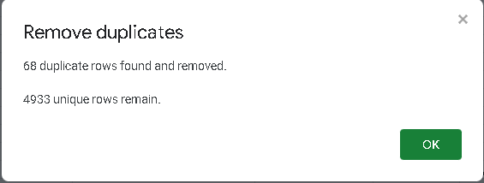 | Select all rows and columns in the dataset (or use ctrl+A), and then click Data in Toolbar Menu > Data Clean-up > Remove Duplicate. | All Column | To remove redundant, prevent bias data and more accurate data analysis process and result. 68 duplicate rows removed
2 |  | Select all columns in the Location column, and then click Data in Toolbar Menu > Split Text to Column. And remove the separated values to simplify the values in the selected column. | Location | Use Split Text to Column to split the Location Column values by using Comma " , " as the separator to simplify the Location Name and remove/delete the separated column.
3 | 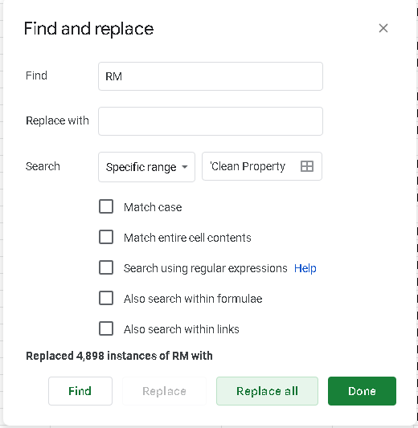 | Select all columns in the Price column and then use Find and Replace (ctrl+H) to remove the RM text, and the result format was changed automatically from text to number | Price | Change or convert all data in Price column to Number format
4 | 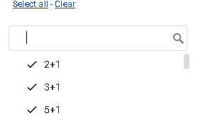 | Filtering non-Number-Format data values in Room Column (ex: 2+1, 3+1, etc) and change or impute all of the different value by using SUM function | Room | Change or convert non-Number values. 4 data changed
5 | 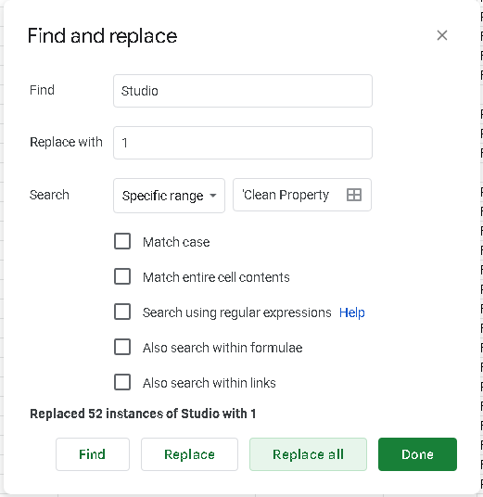 | Select all columns in the Rooms column and then use Find and Replace (ctrl+H) to change the Studio text into 1 value. | Rooms, Bathrooms, Car Parks | Change or convert all the Studio value in Rooms column and treat it as One Room.
6 | 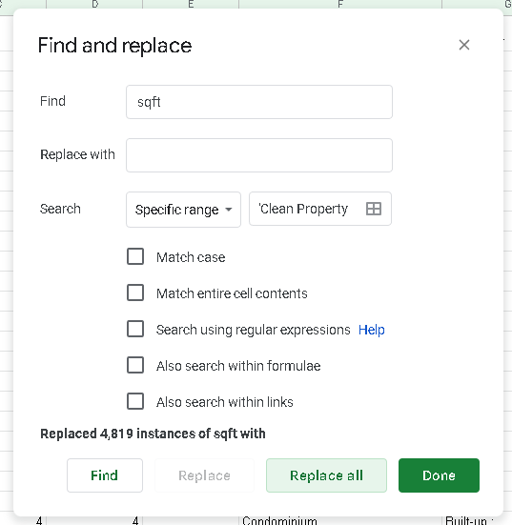 | Select all columns in the Size column and then use Find and Replace (ctrl+H) to remove the sqft text, and the result format was changed automatically from text to number | Size | Change or convert all data in Size column to Number format
7 | 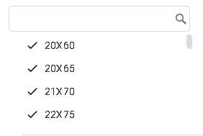 | Filtering non-Number-Format data values in Size Column (ex: 20X60, 20X65, etc) and change or impute all of the different value by using SUM function | Size | Change or convert non-Number values in Size column. 10 data changed
8 | 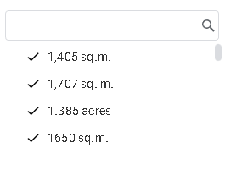 | Filtering non-Number-Format data values that have the different measurement in Size Column (ex: sq.m, acres etc) and manually change or impute all of the different value. | Size | Change or convert non-Number values with different measurement to sqft measurement in Size column. 7 data changed
9 | 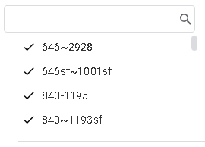 | Filtering non-Number-Format data values that have the ranged measurement in Size Column (ex: 646~2928, 646~1001 etc) and remove the data | Size | Remove or delete the data values that have ranged/not fixed measurement in Size column. 8 rows removed.
10 | 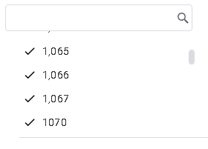 | Filtering the different values output in Size Column and change the format from Automatic Format to Number Format by click Format in Toolbar Menu > Number > Number. | Size | Change or convert the different values output format in Size Column so they all have the similar values output. And then decrease the decimal places.
11 |  | Filtering the Blank (missing values), and remove all of the data that don't provide any information at all. | Price | Remove or delete all of the rows that missing value data that don't give any information in Price, Rooms, Bathrooms, Property Type, Property Character and Size. 23 rows removed.
12 |  | Filtering Desa ParkCity in Location Column to impute the missing values in Rooms, Bathrooms and Car Parks Columns by using xlookup function. | Rooms, Bathrooms, Car Parks | Use xlookup function to fill or impute the Missing Value in Rooms, Bathrooms and Car Park columns by using Size and Price as the comparison or estimation. 6 data imputed.
13 | 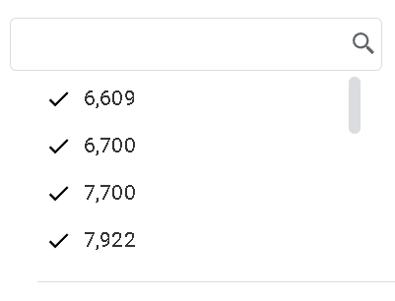 | Filtering Desa ParkCity in Location Column to remove rows that contain missing values in Room, Bathrooms and Car Parks Columns that above 4600 value in Size | Size | Remove all the rows that missing value data that above 4600 value in Size, because of the lack of reference in dataset (the maximum Size value in Desa Park City was 4600). 14 rows removed.
14 | 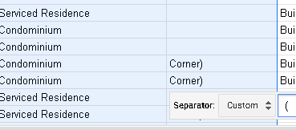 | Select all columns in the Location column, and then click Data in Toolbar Menu > Split Text to Column. And remove the separated values to simplify the values in the selected column. | Property Type | Use Split Text to Column to split the Property Type Column values by using Open Brackets " ( " as the separator to simplify the Property Type Name and remove/delete the separated column.
15 | 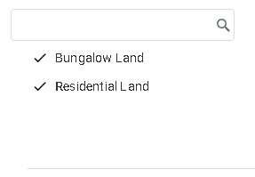 | Filtering Bungalow Land and Residential Land in Property Type Column and remove all of the data that contains missing value in Room and Bathrooms. | Property Type | Remove or delete all of the rows of Bungalow Land and Residential Land in Property Type Column because they don't really provided any informations for the reference of their Rooms and Bathrooms. 47 rows removed.
16 | 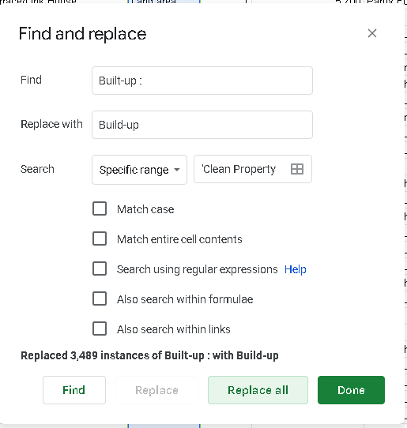 | Select all columns in the Property Type column and then use Find and Replace (ctrl+H) to change the " Built-up : " text into Built-up value. | Property Type | Change or convert all the Built-up : value in Property Type column and replace it with Built-up. 3489 columns replaced.
17 | 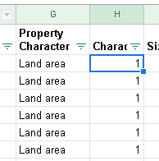 | Convert value in Property Character column from text data to nominal data using switch function. | Property Character | Use switch function to change the type of data in Porperty Character column from text data to nominal data to help the analysis process easier.
18 | 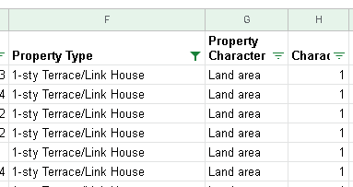 | Impute missing value in Property Character column by using the mode of each Property Type as the reference. | Property Character | Use mode function to manually impute or fill the missing values in Property Character column by find the most common occured value of each Property Type as the reference. 84 columns imputed.
19 |  | Using the same method to impute data for Rooms, etc (from using Switch/IF and mode) for missing value in Furnishing column. | Furnishing | Use switch/if to change the categorized value into number value and use mode function to manually impute or fill the missing values in Furnishing column by find the most common occured value of each spesific Property Type as the reference. 474 columns imputed.
20 | 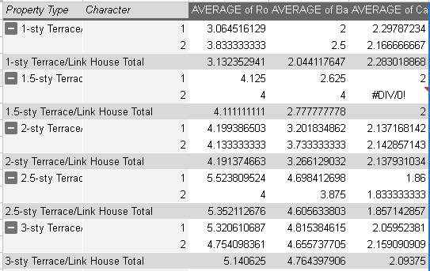 | Select all rows and columns in the dataset (or use ctrl+A), and then click Insert in Toolbar Menu > Pivot Table. Use the Property Type and Character as the Rows and Room, Bathrooms and Car Parks as the Columns and summirized the Columns as Average in Pivot Table | All Column | Impute the missing value by using Pivot Table to find the average of Room, Bathrooms and Car Parks for each Property Type and Property Character as the comparison or estimation.
21 | 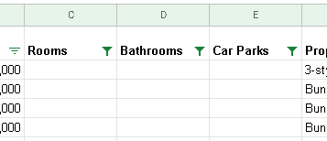 | Impute missing value in Rooms, Bathrooms and Car Parks columns by using the data in previous Pivot Table as the reference. | Rooms, Bathrooms, Car Parks | Impute or fill the missing values in Rooms, Bathrooms and Car Parks columns with averages of each columns from the data in Pivot Table from previous step.
22 | 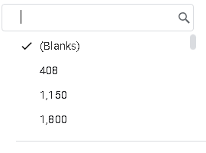 | Filtering Blank in Price column and remove all the rows that contain missing value. | Price | Remove or delete all of the rows in Price column that contain missing value. 11 rows removed
23 | 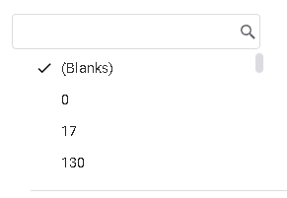 | Filtering Blank in Size column and remove all the rows that contain missing value. | Size | Remove or delete all of the rows in Size column that contain missing value. 83 rows removed
24 | 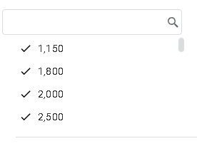 | Filtering the overly low in Price and Size column and remove it | Price, Size | Remove or delete all the rows in Size column that contains overly low values. 25 row removed. From 5000 rows to 4721 rows after data cleaning.
25 | 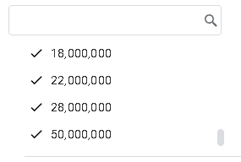 | Remove all the outliers from the dataset by filtering the values that over the Batas Atas in Price and Size columns. | Price, Size | Remove or delete all the outliers rows in Price and Size columns that over the Batas Atas value. 454 rows removed. 4267 rows remaining after outliers removed.

